Summary
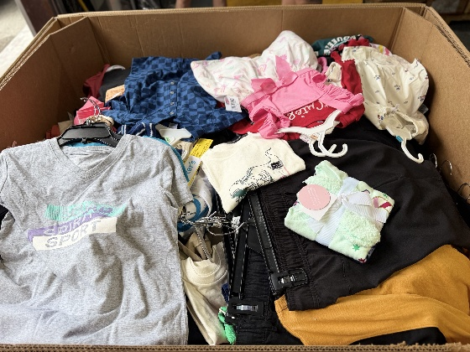
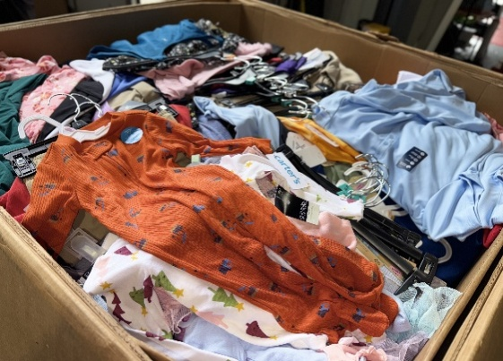
Pallet # | Units | Category
1501 | 990 | Kid's
1548 | 990 | Kid's
1620 | 1035 | Kid's
1590 | 1065 | Kid's
1541 | 1100 | Kid's
1608 | 1100 | Kid's
1768 | 1110 | Kid's
1809 | 1130 | Kid's
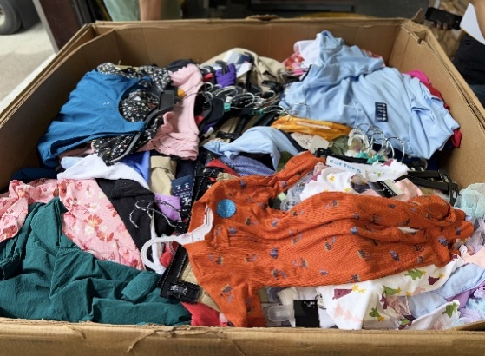
1581 | 1150 | Kid's
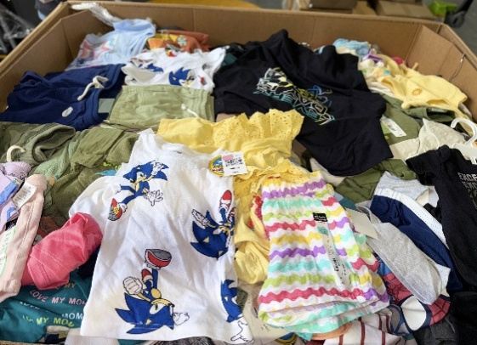
1635 | 1200 | Kid's
1615 | 1235 | Kid's
1595 | 1365 | Kid's
1577 | 1550 | Kid's
 | 15,020

